Cover
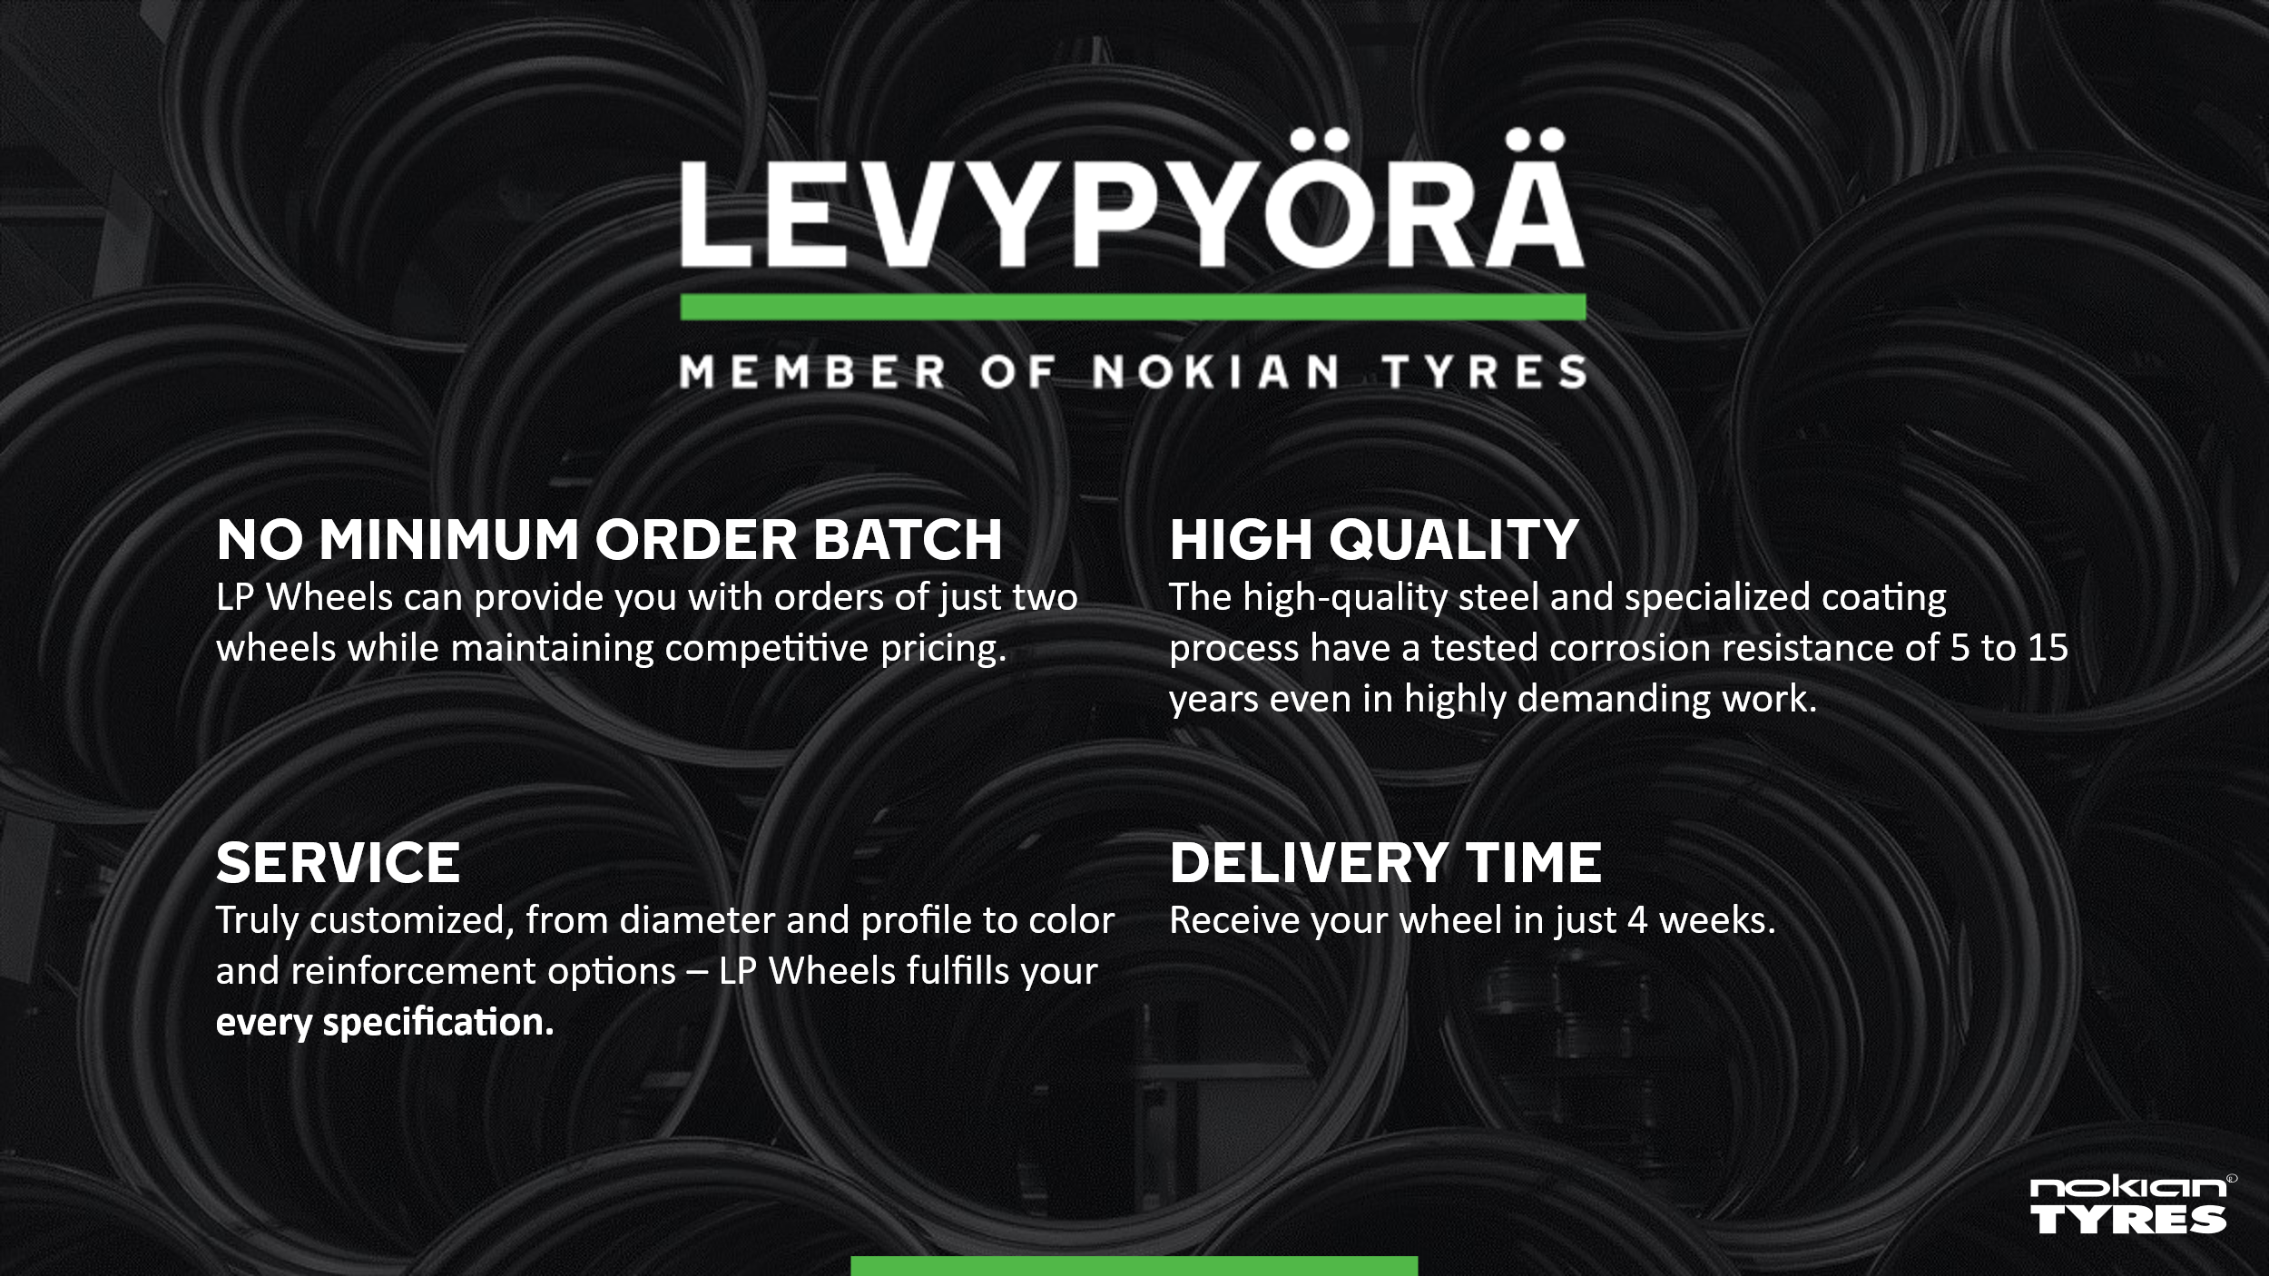

AG 15-degree
15 degree AG wheels
FCA Nokia, Finland price list

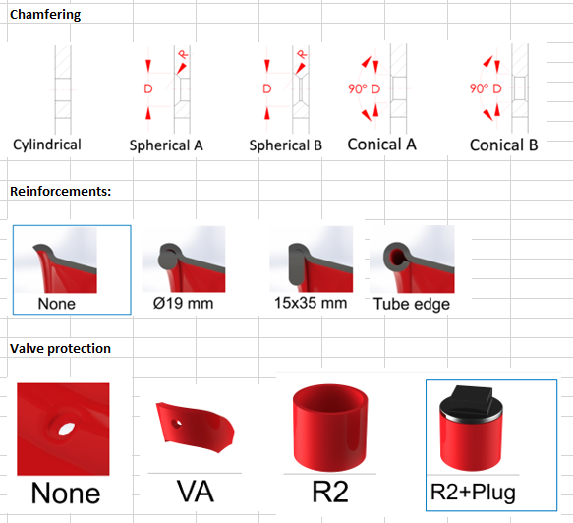
Wheel size | Rim | Disc | OVH alv 0% | Stronger Disc | OVH alv 0%
AG 16.00x22,5 | 6 mm | 12 mm | 538 € | 15mm | 24 €
AG 20.00x22,5 | 6 mm | 12 mm | 551 € | 15mm | 24 €
AG 24.00x22,5 | 6 mm | 12 mm | 638 € | 15mm | 24 €
AG 20.00x26,5 | 6 mm | 12 mm | 673 € | 15mm | 29 €
AG 24.00x26,5 | 6 mm | 12 mm | 704 € | 15mm | 29 €
AG 28.00x26,5 | 6 mm | 12 mm | 851 € | 15mm | 29 €
AG 20.00x30,5 | 6 mm | 12 mm | 851 € | 15mm | 36 €
AG 24.00x30,5 | 6 mm | 12 mm | 882 € | 15mm | 36 €
AG 28.00x30,5 | 6 mm | 12 mm | 933 € | 15mm | 36 €

These prices are valid for wheels with standard drillings and colors listed below.
The following additions are added to prices when required

Additions: |  |  | ovh alv 0%
B-chamfering |  |  | 13 €
Special drilling * |  |  | 56 € | * smaller or bigger center hole than standard 150 mm - 380 mm
Additional holes |  |  | 24 €
Valve protection R2” |  |  | 13 €
Valve plug R2” |  |  | 13 €
No top coat on hub side |  |  | 24 €
Additional valve hole |  |  | 64 €
Additional valve hole with socket |  |  | 73 €
Stamp on disc |  |  | 24 €
Other RAL colors |  |  | 82 €
2 color painting |  |  | 449 €

Standard paint colors:
Color | Machine | LP item
Caterpillar black |  | 960108
Valtra Grey | Valtra | 960005
Fendt Terra Red |  | 960150
JCB yellow |  | 960105
John Deere Yellow |  | 960091
New Holland White |  | 960015
NISSAN BLACK | Valtra | 960126
Ponsse Yellow |  | 960026
RAL 1003 - Signal Yellow | Eco log | 960061
RAL 1004 - Golden Yellow |  | 960070
RAL 1007 - Daffodil Yellow |  | 960085
RAL 1013 - Oyster White |  | 960090
RAL 2002 - Vermilion | Claas, Kubota | 960115
RAL 3000 - Flame Red |  | 960050
RAL 3020 - Traffic Red |  | 960013
RAL 6018 - Yellow Green |  | 960041
RAL 7001 - Silver Grey QZ |  | 960121
RAL 7001 - Silver Grey, Primer BM |  | 960040
RAL 7015 - Slate Grey |  | 960122
RAL 7016 - Anthracite Grey |  | 960096
RAL 7021 - Black Grey |  | 960112
RAL 7024 - Graphite Grey |  | 960080
RAL 7037 - Dusty Grey MATT | Deutz-fahr | 960123
RAL 7040 - Window Grey |  | 960008
RAL 7043 - Traffic Grey B |  | 960082
RAL 9002 - Grey White | Valtra old | 960000
RAL 9005 - BLACK MATT |  | 960074
RAL 9005 - Jet black |  | 960072
RAL 9006 - White Aluminium | Case, Massey Ferguson | 960010
RAL 9010 - Pure White | Ford | 960035
RAL 9011 - Graphite Black |  | 960131
RAL 9018 - Papyrus White | Steyr | 960011
Volvo Yellow |  | 960012

Dual wheel
Customized dual wheel solutions sizes between 22.5" and 54"
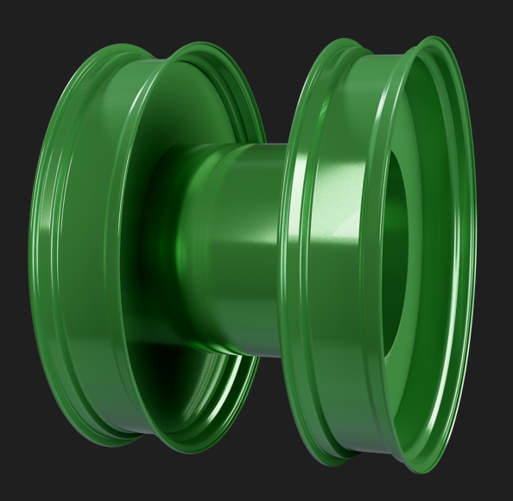
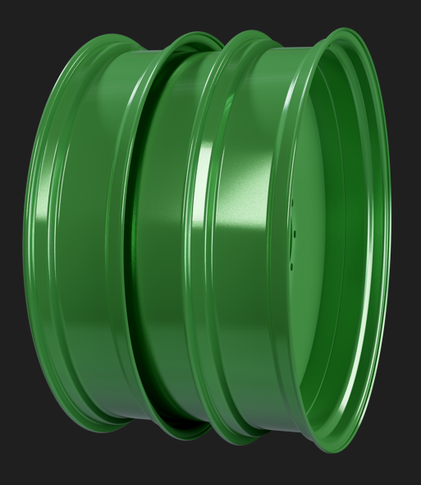
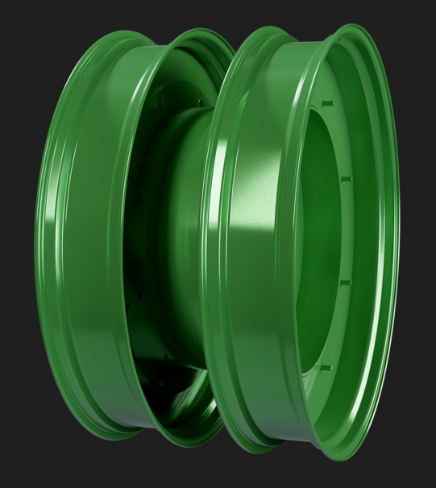
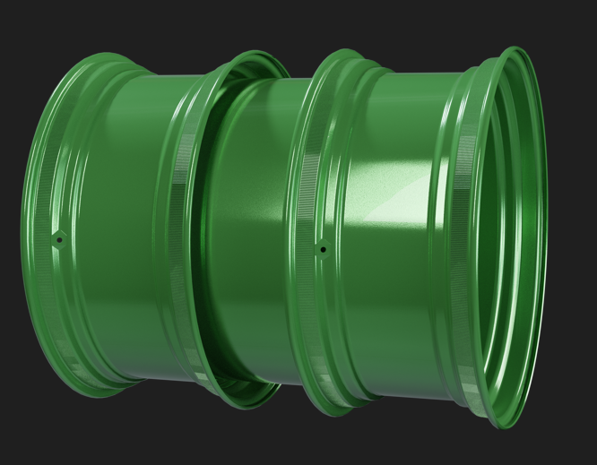

Ask for an offer sales@levypyora.fi

Additions
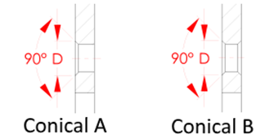
Additions: |  | ovh alv 0%
B-chamfering |  | 13 € | Chamfering
Special drilling * |  | 56 €
Additional holes |  | 24 €
Valve protection VA |  | 9 €
Valve protection R2” |  | 13 €
Valve plug R2” |  | 13 €
No paint on knurling |  | 24 €
No top coat on hub side |  | 24 €
Additional valve hole |  | 64 €
Additional valve hole with socket |  | 73 € | Reinforcements:
Stamp on disc |  | 24 €
Other RAL colors |  | 82 €
2 color painting |  | 449 €
* smaller or bigger center hole than standard 150 mm – 380 mm

Standard paint colors:
Color | Machine | LP item
Caterpillar black |  | 960108 | Valve protection
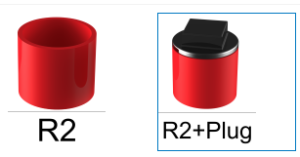
Valtra Grey | Valtra | 960005
Fendt Terra Red |  | 960150
JCB yellow |  | 960105
John Deere Yellow |  | 960091
New Holland White |  | 960015
NISSAN BLACK | Valtra | 960126
Ponsse Yellow |  | 960026
RAL 1003 - Signal Yellow | Eco log | 960061
RAL 1004 - Golden Yellow |  | 960070
RAL 1007 - Daffodil Yellow |  | 960085 | No paint on knurling & Valve plug R2”
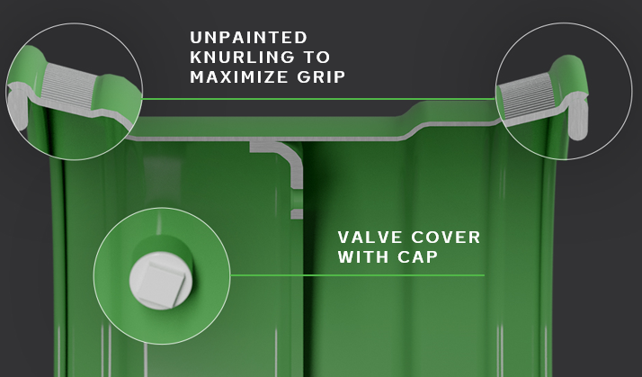
RAL 1013 - Oyster White |  | 960090
RAL 2002 - Vermilion | Claas, Kubota | 960115
RAL 3000 - Flame Red |  | 960050
RAL 3020 - Traffic Red |  | 960013
RAL 6018 - Yellow Green |  | 960041
RAL 7001 - Silver Grey QZ |  | 960121
RAL 7001 - Silver Grey, Primer BM |  | 960040
RAL 7015 - Slate Grey |  | 960122
RAL 7016 - Anthracite Grey |  | 960096
RAL 7021 - Black Grey |  | 960112
RAL 7024 - Graphite Grey |  | 960080
RAL 7037 - Dusty Grey MATT | Deutz-fahr | 960123
RAL 7040 - Window Grey |  | 960008
RAL 7043 - Traffic Grey B |  | 960082
RAL 9002 - Grey White | Valtra old | 960000
RAL 9005 - BLACK MATT |  | 960074
RAL 9005 - Jet black |  | 960072
RAL 9006 - White Aluminium | Case, Massey Ferguson | 960010
RAL 9010 - Pure White | Ford | 960035
RAL 9011 - Graphite Black |  | 960131
RAL 9018 - Papyrus White | Steyr | 960011
Volvo Yellow |  | 960012

